Sheet1
Ben Sherman |  |  |  | Size Breakdown
Style | Photos | SKU | EAN | SMALL | MEDIUM | LARGE | X LARGE | 2XL | 3XL | 4XL | Total Quantity
Marroon Shirt | 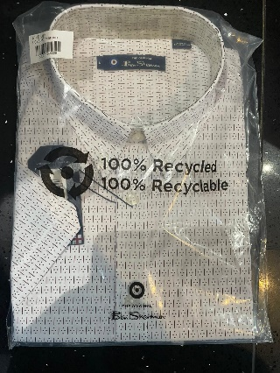 | 0078087 | 5063379029329 | 20 | 69 | 115 | 79 | 46 | 23 | 23 | 375
Blue Shadow Shirt | 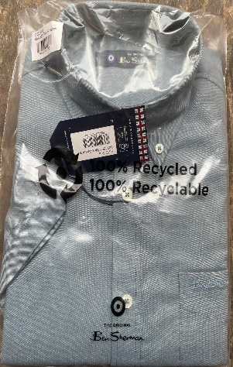 | 0074591 | 5063379031735 | 19 | 69 | 115 | 138 | 46 | 23 |  | 395
Blue Denim | 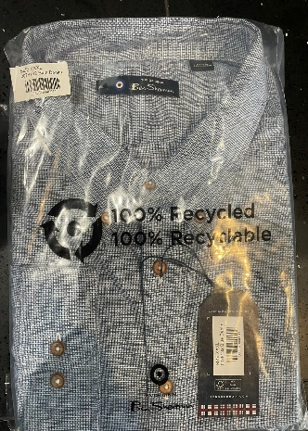 | 0078132 | 5063379040911 |  | 70 | 69 | 114 | 23 |  |  | 276
Marine | 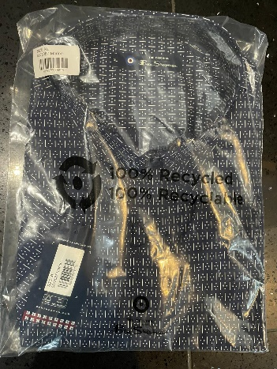 | 0078087 | 5063379029305 | 19 | 89 | 92 | 138 | 23 | 36 | 23 | 420
Light Pink | 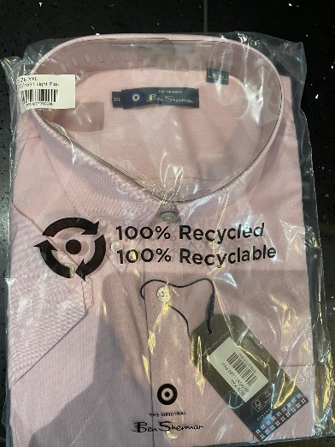 | 0074591 | 5063057092690 | 19 | 69 | 115 | 91 | 46 | 39 | 23 | 403
Dark Emerald | 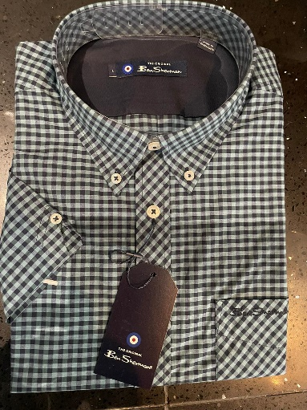 |  |  | 108 | 324 | 396 | 234 | 90 |  |  | 1152
Sky 120 |  |  |  | 112 | 144 | 162 | 144 | 18 |  |  | 540

 |  |  |  |  |  |  |  |  |  | Total | 3561

